Bug Report
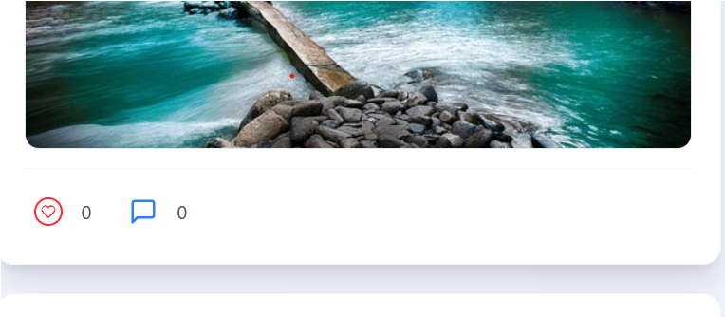
Category | Label | Value
Bug ID | Bug ID Number | TC-003
 | Reporter Name | Arvind
 | Assigned Developer | XYZ
 | Submit Date | 16/09/2025
 | Due date | 18/09/2025
Bug Overview | Summary | Like button is not working
 | URL | https://emilo-live-stream-front.vercel.app/login
 | Screenshot | Attached Below
Environment | Platform | PC
 | Operating System | Windows 11
 | Browser | Chrome
Bug Details | Steps to replicate | Login -> Like on post
 | Expected Results | The post should liked
 | Actual Result | The post not getting liked
Bug Tracking | Severity | Major
 | Priority | High
Notes

Screenshot :

